1. Title Page
Flights Analysis

Project Name: Basket Analysis
Date: 05/25
Analyst Name: Joseph Green

Contents:
Consistency checks
Wrangling steps
Column derivations
Visualizations
Recommendations

Data Profile
Source URL: https://www.kaggle.com/datasets/divyansh22/flight-delay-prediction?select=Jan_2019_ontime.csv
Sourcing details:
This data was selected due to an ongoing interest in the airline sector and understanding a healthier airline travel enviorment. With the current market seeing a significant increase in delays and cancelations post covid being able to understand where we were at our best seemed advisable.
Kaggle project that took data from the Bureau of Transportation Statistics
Over 500,000 records
Extracted January of 2019
Includes details on:
- Departure time and location
- Arrival time and location
- Date
- Tail Number
- Delays, diverted and cancelations
Data limitations
- the vast majority of canceled flights do not contain time data
- canceled and diverted flights make up the majority of NaN values for arrival and departure times so they are being reframed into seperate data tables to make use of all the other available data
- data is only for the month of January so the seasonality element of air travel will not be viewable
-
Questions to explore
What factor has the largest number of delays, diversions and cancellations? Departure location, arrival location, airline, time of departure, distance, etc?
How do each of the airlines compare?
What does the month of January look like from start to finish?
Is there a weekly rythmn?
What is the geography of where theses issues are happening?
How do the number of delayed, diverted and canceled look compared to successful in any of the catagories selected? Is this a numbers game where more flights necessarily means more issues?

2. Consistency checks
 |  |  |  | Title page
Consistency checks

Dataset | Missing values | Missing values treatment | Duplicates
January 2019 Airtravel | tail_num missing 2543 | Missing values are either diverted or cancelded flights. Will be making new data sets with just diverted and just canceled
January 2019 Airtravel | dep_time missing 16352 | Missing values are either diverted or cancelded flights. Will be making new data sets with just diverted and just canceled
January 2019 Airtravel | dep_del15 16355 | Missing values are either diverted or cancelded flights. Will be making new data sets with just diverted and just canceled
January 2019 Airtravel | arr_time missing 17061 | Missing values are either diverted or cancelded flights. Will be making new data sets with just diverted and just canceled
January 2019 Airtravel | arr_del15 missing 18022 | Missing values are either diverted or cancelded flights. Will be making new data sets with just diverted and just canceled

3. Wrangling steps
 |  |  |  |  | Title page
Wrangling steps

Data Set | Columns dropped | Columns renamed | Columns' type changed | Comment/Reason
2019 successful flights | Column 21
2019 successful flights |  |  | OP_UNIQUE_CARRIER from Object to Category | Reduce size of data
2019 successful flights |  |  | TAIL_NUM from Object to Category | Reduce size of data
2019 successful flights |  |  | ORIGIN from Object to Category | Reduce size of data
2019 successful flights |  |  | DEST from Object to Category | Reduce size of data
2019 successful flights |  |  | DEP_TIME_BLK from Object to Category | Reduce size of data
2020 successful flights | cancelled, diverted
2019 diverted flights |  |  |  | Created to be able to review diverted flights without NaN values from dropped columns below
2019 diverted flights | arr_time, arr_del15 |  |  | Removed arr_time and arr_del15 due to NaN records
2019 cancelled flights |  |  |  | Created to be able to review cancelled flights without NaN values from dropped column below
2019 cancelled flights | arr_time, arr_dl15, dep_time, dep_del15 |  |  | Removed arr_time, arr_dl15, dep_time, dep_del15 due to NaN records

4. Column derivations
 |  |  |  | Title page

Column derivations and aggregations

In this tab you should add tables below that the frequences of flags/label variables that you produced after deriving them. NB: don't do this for continuous variables, only for flags.
Dataset | New column | Column/s it was derived from | Conditions

5. Visualizations
Title page

Visualisations

In this tab you should include all the visualtions from Exercises 4.9 and 4.10, alongside the questions from the project brief that they answer. Include any commentary on the relationship between different variables.

Figure 7
Produce is by far the highest order from departmetn with dairy & eggs, snacks and beverages following.

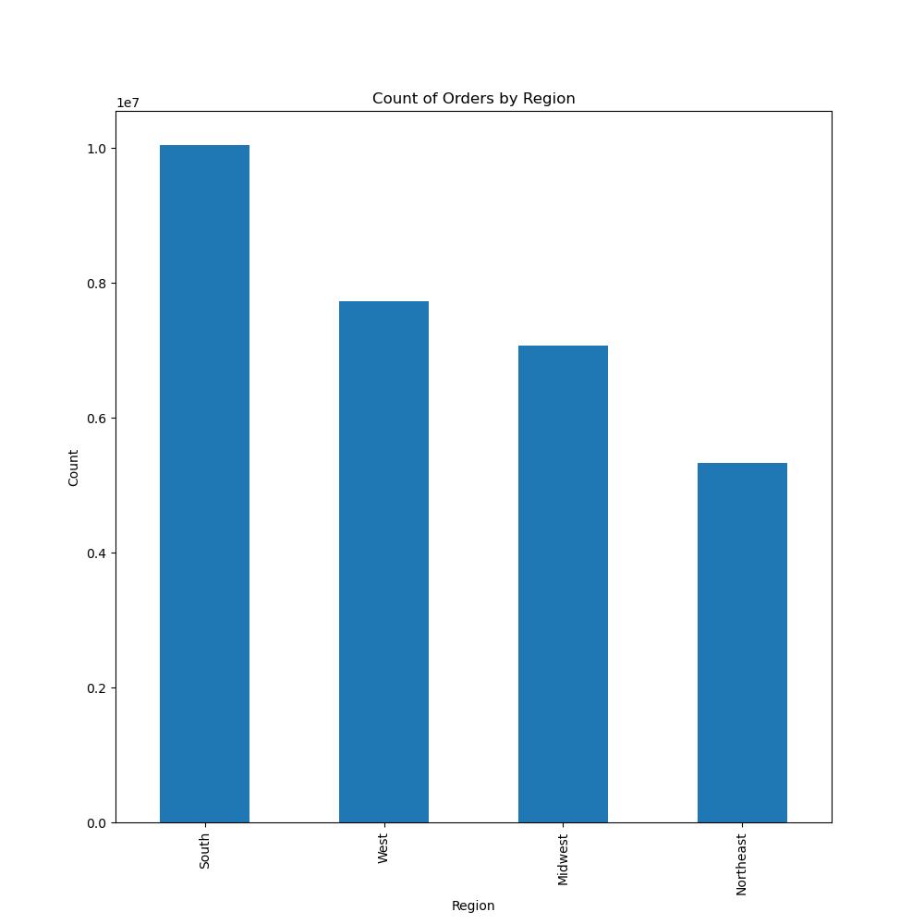

Figure 8
A majority of customer orders come from the Southern Region.
Alabama, Arkansas, Delaware, the District of Columbia, Florida, Georgia, Kentucky, Louisiana, Maryland, Mississippi, North Carolina, Oklahoma, South Carolina, Tennessee, Texas, Virginia, and West Virginia

Figure 9
The greatest number of orders come from the high income adults profile:
Age >= 35
Income > 155,000
Department irrelevant
Dependents irrelevant
Followed by the elderly
Age > 67
Income irrelevant
Department irrelevant
Number of dependents irrelevant
and new parents
Age <= 40,
Income > 52,200
department 18 (Baby goods)
dependents > 0

Figure 10
Midlevel loyalty is the most popular and those who use the system the least are also the smallest number of users. Instcart appears to be drawing in repeat business well.

6. Recommendations
 |  | Title page

Recommendations

In this tab you should include any recommendations you would make to Instcart in terms of their marketing strategy based on the questions posed in the brief. Every key question has been covered in the Tasks of the Exercises - here you need to add an item - a visualisation or table/crosstable that is showing the answer in the data, acompanied by a comment from you. Please, list the questions below and add the answer underneath.

Question | Answer

